Sheet3
 |  |  |  |  |  |  |  |  |  |  |  |  |  |  | Statistics | Charts | Trades | Formula | Settings | Symbols | Monte Carlo
Statistics | Charts | Trades | Formula | Settings | Symbols | Monte Carlo | 1. Portfolio Equity
 |  |  |  |  |  |  |  |  |  |  |  |  |  |  | Settings
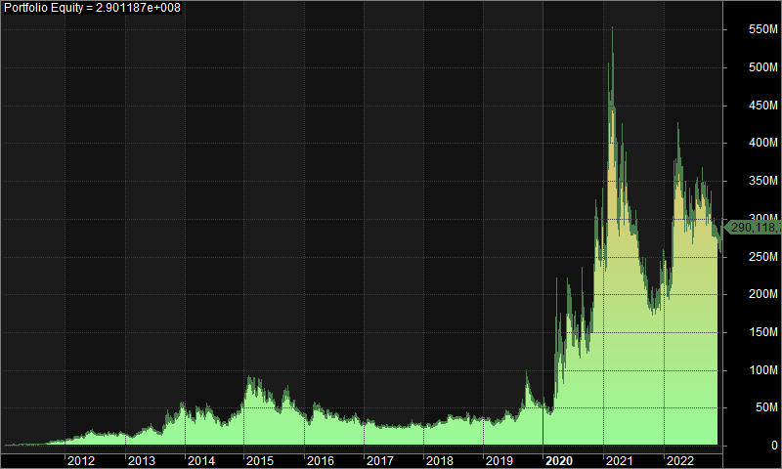
Formula
 |  |  |  |  |  |  |  |  |  |  |  |  |  |  | Initial Equity: | 1000000 | Periodicity/Positions: | 5-minute/Long
//1% transaction cost |  |  |  |  |  |  |  |  |  |  |  |  |  |  | Commissions: | 1.00% | Annual interest rate: | 0.00%
// ATM Delta |  |  |  |  |  |  |  |  |  |  |  |  |  |  | Range: | 03/01/2011 - 29/12/2022 | Apply to: | Filter
//6x Leverage |  |  |  |  |  |  |  |  |  |  |  |  |  |  | Include Filter |  | Exclude Filter
// CODE IS RIGHT |  |  |  |  |  |  |  |  |  |  |  |  |  |  | Market | - | Market | -
// RUN ON 5MIN TIME FRAME - SHORT -- ADD TO COMPOSITE |  |  |  |  |  |  |  |  |  |  |  |  |  |  | Group | - | Group | -
 |  |  |  |  |  |  |  |  |  |  |  |  |  |  | Sector | - | Sector | -
 |  |  |  |  |  |  |  |  |  |  |  |  |  |  | Industry | - | Industry | -
StaticVarRemove("*"); |  |  |  |  |  |  |  |  |  |  |  |  |  |  | Watchlist | List 20 | Watchlist | -
 |  |  |  |  |  |  |  |  |  |  |  |  |  |  | GICS | - | GICS | -
SetOption("MaxOpenPositions",1); |  |  |  |  |  |  |  |  |  |  |  |  |  |  | ICB | - | ICB | -
SetOption("MaxOpenShort",1); |  |  |  |  |  |  |  |  |  |  |  |  |  |  | Index | - | Index | -
SetOption("MaxOpenLong",1); |  |  |  |  |  |  |  |  |  |  |  |  |  |  | Favourite | - | Favourite | -
SetOption("AllowPositionShrinking",True); |  |  |  |  |  |  |  |  |  |  |  |  |  |  | Account margin: | 100 | Futures mode: | No
SetOption("DisableRuinStop",True); |  |  |  |  |  |  |  |  |  |  |  |  |  |  | Def. round lot size: | 0 | Def. Tick Size | 0
SetOption("PriceBoundChecking",False); |  |  |  |  |  |  |  |  |  |  |  |  |  |  | Drawdowns based on: | High/Low prices
SetOption("CommissionMode",1); |  |  |  |  |  |  |  |  |  |  |  |  |  |  | Long trades
SetOption("CommissionAmount",1); |  |  |  |  |  |  |  |  |  |  |  |  |  |  | Buy price: | Close | Sell price: | Close
SetOption("AllowSameBarExit",True); |  |  |  |  |  |  |  |  |  |  |  |  |  |  | Buy delay: | 0 | Sell delay: | 0
SetOption("UsePrevBarEquityForPosSizing",True); |  |  |  |  |  |  |  |  |  |  |  |  |  |  | Short trades
SetOption("InitialEquity",1000000); |  |  |  |  |  |  |  |  |  |  |  |  |  |  | Short price: | Close | Cover price: | Close
 |  |  |  |  |  |  |  |  |  |  |  |  |  |  | Short delay: | 0 | Cover delay: | 0
 |  |  |  |  |  |  |  |  |  |  |  |  |  |  | Stops
x=19; |  |  |  |  |  |  |  |  |  |  |  |  |  |  | Maximum loss: | disabled | Profit target: | disabled
if(x==1){sym = "AUBANK";} |  |  |  |  |  |  |  |  |  |  |  |  |  |  | Value: | 0 | Value: | 0
if(x==2){sym = "AXISBANK"; } | 2. Underwater Equity |  |  |  |  |  |  |  |  |  |  |  |  |  | Exit at stop? | no | Exit at stop? | no
if(x==3){sym = "BANDHANBNK"; }
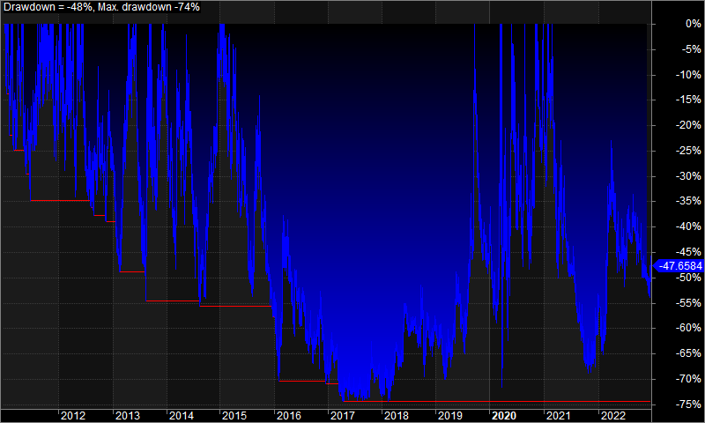
if(x==4){sym = "BANKBARODA"; } |  |  |  |  |  |  |  |  |  |  |  |  |  |  | Trailing stop: | disabled
if(x==5){sym = "BANKINDIA"; } |  |  |  |  |  |  |  |  |  |  |  |  |  |  | Value: | 0
if(x==6){sym = "CANBK"; } |  |  |  |  |  |  |  |  |  |  |  |  |  |  | Exit at stop? | no
if(x==7){sym = "FEDERALBNK"; }
if(x==8){sym = "HDFCBANK"; }
if(x==9){sym = "ICICIBANK"; }
if(x==10){sym = "IDBI"; }
if(x==11){sym = "IDFCFIRSTB"; }
if(x==12){sym = "INDUSINDBK"; }
if(x==13){sym = "KOTAKBANK"; }
if(x==14){sym = "PNB"; }
if(x==15){sym = "RBLBANK"; }
if(x==16){sym = "SBIN"; }
if(x==17){sym = "UNIONBANK"; }
if(x==18){sym = "YESBANK"; }
if(x==19){sym = "BANKNIFTYMONTHLY"; } // Name might change check
num = StrLen(sym)+4;

//cases = 2;
cases = Optimize("cases",1,1,4,1);
if(cases == 1){y = in5Minute;}
if(cases == 2){y = in15Minute;}
if(cases == 3){y = in15Minute*2;}
if(cases == 4){y = inHourly;}

SetForeign("Fixed$NIFTY_BANK-NSE - I"); | Year | Jan | Feb | Mar | Apr | May | Jun | Jul | Aug | Sep | Oct | Nov | Dec | Yr%
TimeFrameSet(y); | 2011 | 60.60% | 22.40% | 20.80% | 2.40% | -9.80% | 4.50% | -2.90% | 45.50% | 53.10% | 24.70% | 20.20% | -13.60% | 542.40%
//ACC = 0.02; | 2012 | 57.00% | 14.00% | 1.10% | -6.50% | 61.00% | -6.40% | -4.50% | 4.10% | 1.70% | -8.70% | 18.80% | -11.20% | 148.20%
ACC = Optimize("ACC",0.02,0.01,0.05,0.01); | 2013 | -23.10% | 12.00% | 26.20% | 21.10% | 16.00% | -13.10% | -15.60% | 35.10% | 42.70% | 14.00% | 13.00% | 9.60% | 204.70%
PSAR = SAR(ACC,ACC); | 2014 | -10.50% | -26.80% | 50.80% | -14.60% | 20.80% | -21.40% | -7.90% | -15.40% | 16.60% | 15.40% | 12.60% | 18.60% | 12.20%
EQClose = Close; | 2015 | 63.80% | -11.90% | 6.90% | -22.50% | -7.70% | -3.70% | -18.50% | 28.70% | 13.30% | -13.40% | -18.80% | -18.00% | -27.10%
RestorePriceArrays(); | 2016 | -19.80% | 26.30% | 30.50% | -8.30% | -5.20% | -11.90% | -1.80% | -7.30% | -7.90% | 14.10% | -4.90% | -15.30% | -22.00%
 | 2017 | 11.80% | -8.70% | -16.70% | 1.60% | -2.10% | -1.10% | 3.10% | -6.30% | 12.30% | 9.90% | -7.50% | -12.50% | -19.40%
FinalStockEQClose = TimeFrameExpand(EQClose,y,expandFirst); | 2018 | 13.00% | -5.90% | 13.60% | 6.20% | 26.90% | -12.00% | 7.20% | -11.30% | 12.10% | -3.90% | -5.90% | 7.50% | 48.30%
PSARFinal = TimeFrameExpand(PSAR,y,expandFirst); | 2019 | -0.70% | -22.60% | 20.80% | 2.80% | 21.40% | -10.10% | 2.10% | 39.70% | 56.20% | -23.60% | -8.50% | -8.90% | 47.70%
 | 2020 | -17.10% | 3.70% | 86.40% | 40.40% | 16.80% | 11.70% | -4.80% | 46.00% | -42.90% | 19.10% | 91.30% | 3.70% | 450.80%
//monthly expiry | 2021 | 5.20% | 71.60% | -41.60% | 16.60% | -7.30% | -17.00% | -5.30% | -13.30% | -17.20% | 4.90% | -0.20% | 6.40% | -28.40%
expday = iif(Datenum()>=1110101 and Datenum()<=1110127,1110127,iif(Datenum()>=1110128 and Datenum()<=1110224,1110224, iif(Datenum()>=1110225 and Datenum()<=1110331,1110331, iif(Datenum()>=1110401 and Datenum()<=1110428,1110428, iif(Datenum()>=1110429 and Datenum()<=1110526,1110526, iif(Datenum()>=1110527 and Datenum()<=1110630,1110630, iif(Datenum()>=1110701 and Datenum()<=1110728,1110728, iif(Datenum()>=1110729 and Datenum()<=1110825,1110825, iif(Datenum()>=1110826 and Datenum()<=1110929,1110929, iif(Datenum()>=1110930 and Datenum()<=1111025,1111025, iif(Datenum()>=1111026 and Datenum()<=1111124,1111124, iif(Datenum()>=1111125 and Datenum()<=1111229,1111229, iif(Datenum()>=1111230 and Datenum()<=1120125,1120125, iif(Datenum()>=1120126 and Datenum()<=1120223,1120223, iif(Datenum()>=1120224 and Datenum()<=1120329,1120329, iif(Datenum()>=1120330 and Datenum()<=1120426,1120426, iif(Datenum()>=1120427 and Datenum()<=1120531,1120531, iif(Datenum()>=1120601 and Datenum()<=1120628,1120628, iif(Datenum()>=1120629 and Datenum()<=1120726,1120726, iif(Datenum()>=1120727 and Datenum()<=1120830,1120830, iif(Datenum()>=1120831 and Datenum()<=1120927,1120927, iif(Datenum()>=1120928 and Datenum()<=1121025,1121025, iif(Datenum()>=1121026 and Datenum()<=1121129,1121129, iif(Datenum()>=1121130 and Datenum()<=1121227,1121227, iif(Datenum()>=1121228 and Datenum()<=1130131,1130131, iif(Datenum()>=1130201 and Datenum()<=1130228,1130228, iif(Datenum()>=1130301 and Datenum()<=1130328,1130328, iif(Datenum()>=1130329 and Datenum()<=1130425,1130425, iif(Datenum()>=1130426 and Datenum()<=1130530,1130530, iif(Datenum()>=1130531 and Datenum()<=1130627,1130627, iif(Datenum()>=1130628 and Datenum()<=1130725,1130725, iif(Datenum()>=1130726 and Datenum()<=1130829,1130829, iif(Datenum()>=1130830 and Datenum()<=1130926,1130926, iif(Datenum()>=1130927 and Datenum()<=1131031,1131031, iif(Datenum()>=1131101 and Datenum()<=1131128,1131128, iif(Datenum()>=1131129 and Daten | 2022 | -8.00% | 37.90% | 26.50% | 4.00% | -15.30% | -10.00% | 19.90% | 8.80% | -9.50% | -13.30% | -1.00% | 4.20% | 34.30%
//weekly expiry dates | Avg | 11.00% | 9.30% | 18.80% | 3.60% | 9.60% | -7.50% | -2.40% | 12.90% | 10.90% | 3.30% | 9.10% | -2.50%
WeeklyExpiryDate1 = iif(Datenum()>=1160527 and Datenum()<=1160602,1160602, iif(Datenum()>=1160603 and Datenum()<=1160609,1160609, iif(Datenum()>=1160610 and Datenum()<=1160616,1160616, iif(Datenum()>=1160617 and Datenum()<=1160623,1160623, iif(Datenum()>=1160624 and Datenum()<=1160630,1160630, iif(Datenum()>=1160701 and Datenum()<=1160707,1160707, iif(Datenum()>=1160708 and Datenum()<=1160714,1160714, iif(Datenum()>=1160715 and Datenum()<=1160721,1160721, iif(Datenum()>=1160722 and Datenum()<=1160728,1160728, iif(Datenum()>=1160729 and Datenum()<=1160804,1160804, iif(Datenum()>=1160805 and Datenum()<=1160811,1160811, iif(Datenum()>=1160812 and Datenum()<=1160818,1160818, iif(Datenum()>=1160819 and Datenum()<=1160825,1160825, iif(Datenum()>=1160826 and Datenum()<=1160901,1160901, iif(Datenum()>=1160902 and Datenum()<=1160908,1160908, iif(Datenum()>=1160909 and Datenum()<=1160915,1160915, iif(Datenum()>=1160916 and Datenum()<=1160922,1160922, iif(Datenum()>=1160923 and Datenum()<=1160929,1160929, iif(Datenum()>=1160930 and Datenum()<=1161006,1161006, iif(Datenum()>=1161007 and Datenum()<=1161013,1161013, iif(Datenum()>=1161014 and Datenum()<=1161020,1161020, iif(Datenum()>=1161021 and Datenum()<=1161027,1161027, iif(Datenum()>=1161028 and Datenum()<=1161103,1161103, iif(Datenum()>=1161104 and Datenum()<=1161110,1161110, iif(Datenum()>=1161111 and Datenum()<=1161117,1161117, iif(Datenum()>=1161118 and Datenum()<=1161124,1161124, iif(Datenum()>=1161125 and Datenum()<=1161201,1161201, iif(Datenum()>=1161202 and Datenum()<=1161208,1161208, iif(Datenum()>=1161209 and Datenum()<=1161215,1161215, iif(Datenum()>=1161216 and Datenum()<=1161222,1161222, iif(Datenum()>=1161223 and Datenum()<=1161229,1161229, iif(Datenum()>=1161230 and Datenum()<=1170105,1170105, iif(Datenum()>=1170106 and Datenum()<=1170112,1170112, iif(Datenum()>=1170113 and Datenum()<=1170119,1170119, iif(Datenum()>=1170120 and Datenum()<=1170125,1170125, iif(Datenum()>=1

expiryday = IIf(DateNum()==expday,1,0);

BUY1 = IIf(PSARFinal<FinalStockEQClose,1,0);

Ticker = Name();
//check based on symbol name -- might even be different for weekly
TickerStrikeHelper = StrMid(Ticker,num,-1);
TickerStrikeHelper1 = StrRight(TickerStrikeHelper,2);
TickerStrike = WriteIf(TickerStrikeHelper1 == "CE",StrReplace(TickerStrikeHelper,"CE",""),StrReplace(TickerStrikeHelper,"PE",""));
TickerStrikeNum = StrToNum(TickerStrike);
CEPE = StrLeft(TickerStrikeHelper1,2);

TimeFrameSet(y);
//ATMStrike_a = Aux1;
Premium_a=Close;;
TimeFrameRestore();

//ATMStrike = TimeFrameExpand(ATMStrike_a,y,expandFirst);
ATMStrike = round(FinalStockEQClose/100)*100;
Premium= TimeFrameExpand(Premium_a,y,expandFirst);

Signal1 = IIf(ATMStrike == TickerStrikeNum,1,0);
Signal2Helper = WriteIf(CEPE == "CE","1","0");
Signal2 = StrToNum(Signal2Helper);

DTE = expday - DateNum();

//FinalSignalPEStock = IIf(IIf((expiryday == 0) AND (Ref(expiryday,-1)==1),(BUY1 == 1), (BUY1 == 1) AND (Ref(BUY1,-1)==0)) AND (Signal1 == 1) AND (Signal2 == 0),1,0);
//FinalSignalCEStock = IIf(IIf((expiryday == 0) AND (Ref(expiryday,-1)==1),(BUY1 == 0), (BUY1 == 0) AND (Ref(BUY1,-1)==1)) AND (Signal1 == 1) AND (Signal2 == 1),1,0);
FinalSignalPEStock = IIf((BUY1 == 0) AND (Signal1 == 1) AND (Signal2 == 0),1,0);
FinalSignalCEStock = IIf((BUY1 == 1) AND (Signal1 == 1) AND (Signal2 == 1),1,0);

//Short = IIf((TimeNum()>= 091500) AND (IIf(expiryday==1,IIf(y==1,(TimeNum()<=151500),TimeNum()<=151000),(TimeNum()<=153000))) AND (Premium>0),IIf(CEPE == "CE", FinalSignalCEStock,FinalSignalPEStock),0); -- will change timing as removed trade delays
Buy = IIf((TimeNum()>= 091500) AND (IIf(expiryday==1,IIf(cases==1,(TimeNum()<152000),TimeNum()<151500),(TimeNum()<=152500))) AND (Premium>0),IIf(CEPE == "CE", FinalSignalCEStock,FinalSignalPEStock),0);
Sell = IIf(IIf(expiryday==1,TimeNum()>=091500,((TimeNum()>=091500) AND (TimeNum()<=152500))),(Ref(expday,1)!=expday) OR IIf(Signal2 == 1, BUY1 == 0, BUY1 == 1),0);

BuyPrice = Premium;
SellPrice = Premium;

//SetTradeDelays(0,0,1,0); // THIS WILL CHANGE WHEN YOU DO BUY SELL
SetTradeDelays(0,0,0,0);

leverage = 6;

StaticVarSet("Stock_Close",FinalStockEQClose);
StaticVarSet("PSAR",PSARFinal);
//StaticVarSet("Days_to_Expiry",DTE);

SetCustomBacktestProc("");
if(Status("action") == actionPortfolio)
{

bo = GetBacktesterObject();

bo.PreProcess();
for (i = 0; i<BarCount; i++)
{
CurrentPortfolioEquity = bo.Equity;
for (sig = bo.GetFirstSignal(i) ; sig ; sig = bo.GetNextSignal(i))
{
SetForeign("Fixed"+ "$NIFTY_BANK" + "-NSE - I");
TimeFrameSet(y);
EQClose1 = Close;
RestorePriceArrays();
StockEQClose = TimeFrameExpand(EQClose1,y,expandFirst);
//method 1
Total_Equity = CurrentPortfolioEquity * leverage;
NumberOfShares = Total_Equity / StockEQClose[i];
sig.PosSize = NumberOfShares[i] * sig.Price;
// method 2
/*MarginPerShare = StockEQClose[i] / leverage;
size = 1; //1 sps of EQ
minimumpremium = (size/100)*MarginPerShare;
sig.PosSize = IIf(sig.Price >= minimumpremium,-size,(-size/100)*sig.Price/minimumpremium*100);*/

}
bo.ProcessTradeSignals(i) ;
}

for ( trade = bo.GetFirstTrade() ; trade ; trade = bo.GetNextTrade() )
{

StockClose = StaticVarGet("Stock_Close");
PSAR_Value = StaticVarGet("PSAR");
//D_T_E = StaticVarGet("Days_to_Expiry");

trade.AddCustomMetric("Stock__Close",Lookup(StockClose, trade.EntryDateTime,0)) ;
trade.AddCustomMetric("PSARValue",Lookup(PSAR_Value, trade.EntryDateTime,0)) ;
//trade.AddCustomMetric("Days_to_Expiry",Lookup(D_T_E, trade.EntryDateTime,0)) ;

}

bo.PostProcess();

//AddToComposite(bo.EquityArray,"~~BNM" + "_TF:" + cases + "_PSAR:" + ACC + "_size:" + "no.shares" + "_Long_" + "_ATMDelta","C",atcFlagDeleteValues | atcFlagEnableInPortfolio );

}

Filter = 1;
AddColumn(Open,"Open",1.2);
AddColumn(High,"High",1.2);
AddColumn(Low,"Low",1.2);
AddColumn(Close,"Close",1.2);
AddColumn(Premium,"premium");
AddColumn(FinalStockEQClose,"FinalEQClose",1.2);
AddColumn(ATMStrike,"ATM Strike");
//AddColumn(Aux1,"Aux1");
AddColumn(PSARFinal,"PSARFinal");
AddColumn(expday,"expday");
AddColumn(expiryday,"expiryday");
AddColumn(BUY1,"buy1");
//AddTextColumn(Ticker,"Ticker");
//AddtextColumn(TickerStrikeHelper,"TickerStrikeHelper");
//AddtextColumn(TickerStrikeHelper1,"TickerStrikeHelper1");
//AddTextColumn(TickerStrike,"TickerStrike");
AddColumn(TickerStrikeNum,"TickerStrikeNum");
AddTextColumn(CEPE,"CE/PE");
AddColumn(Signal1,"Singal1");
AddColumn(Signal2,"Singal2");
AddColumn(FinalSignalPEStock,"FinalSignalPEStock");
AddColumn(FinalSignalCEStock,"FinalSignalCEStock");
AddColumn(Buy,"Buy");
AddColumn(Sell,"Sell");
AddColumn(BuyPrice,"BuyPrice");
AddColumn(SellPrice,"SellPrice");
AddColumn(DTE,"Days_to_Expiry");

